Lifetime Customer Complete List
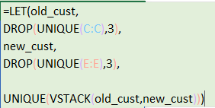

Before campaign | After Campaign | All Customers
Last Year | This Year

Aaron | Justin | Aaron
Justin | Craig | Justin
Craig | Rick | Craig
Katherine | Jim | Katherine
Rick | Ann | Rick
Jim | Jason | Jim
Toby | Eugene | Toby
Mick | Benjamin | Mick
Anthony | Toby | Anthony
Magdelene | Mick | Magdelene
 | Anthony | Ann
 | Magdelene | Jason
 | Vicky | Eugene
 | Peter | Benjamin
 | Ben | Vicky
 | Patrick | Peter
 | Ritsa | Ben
 |  | Patrick
 |  | Ritsa

